Description for GPIO App.
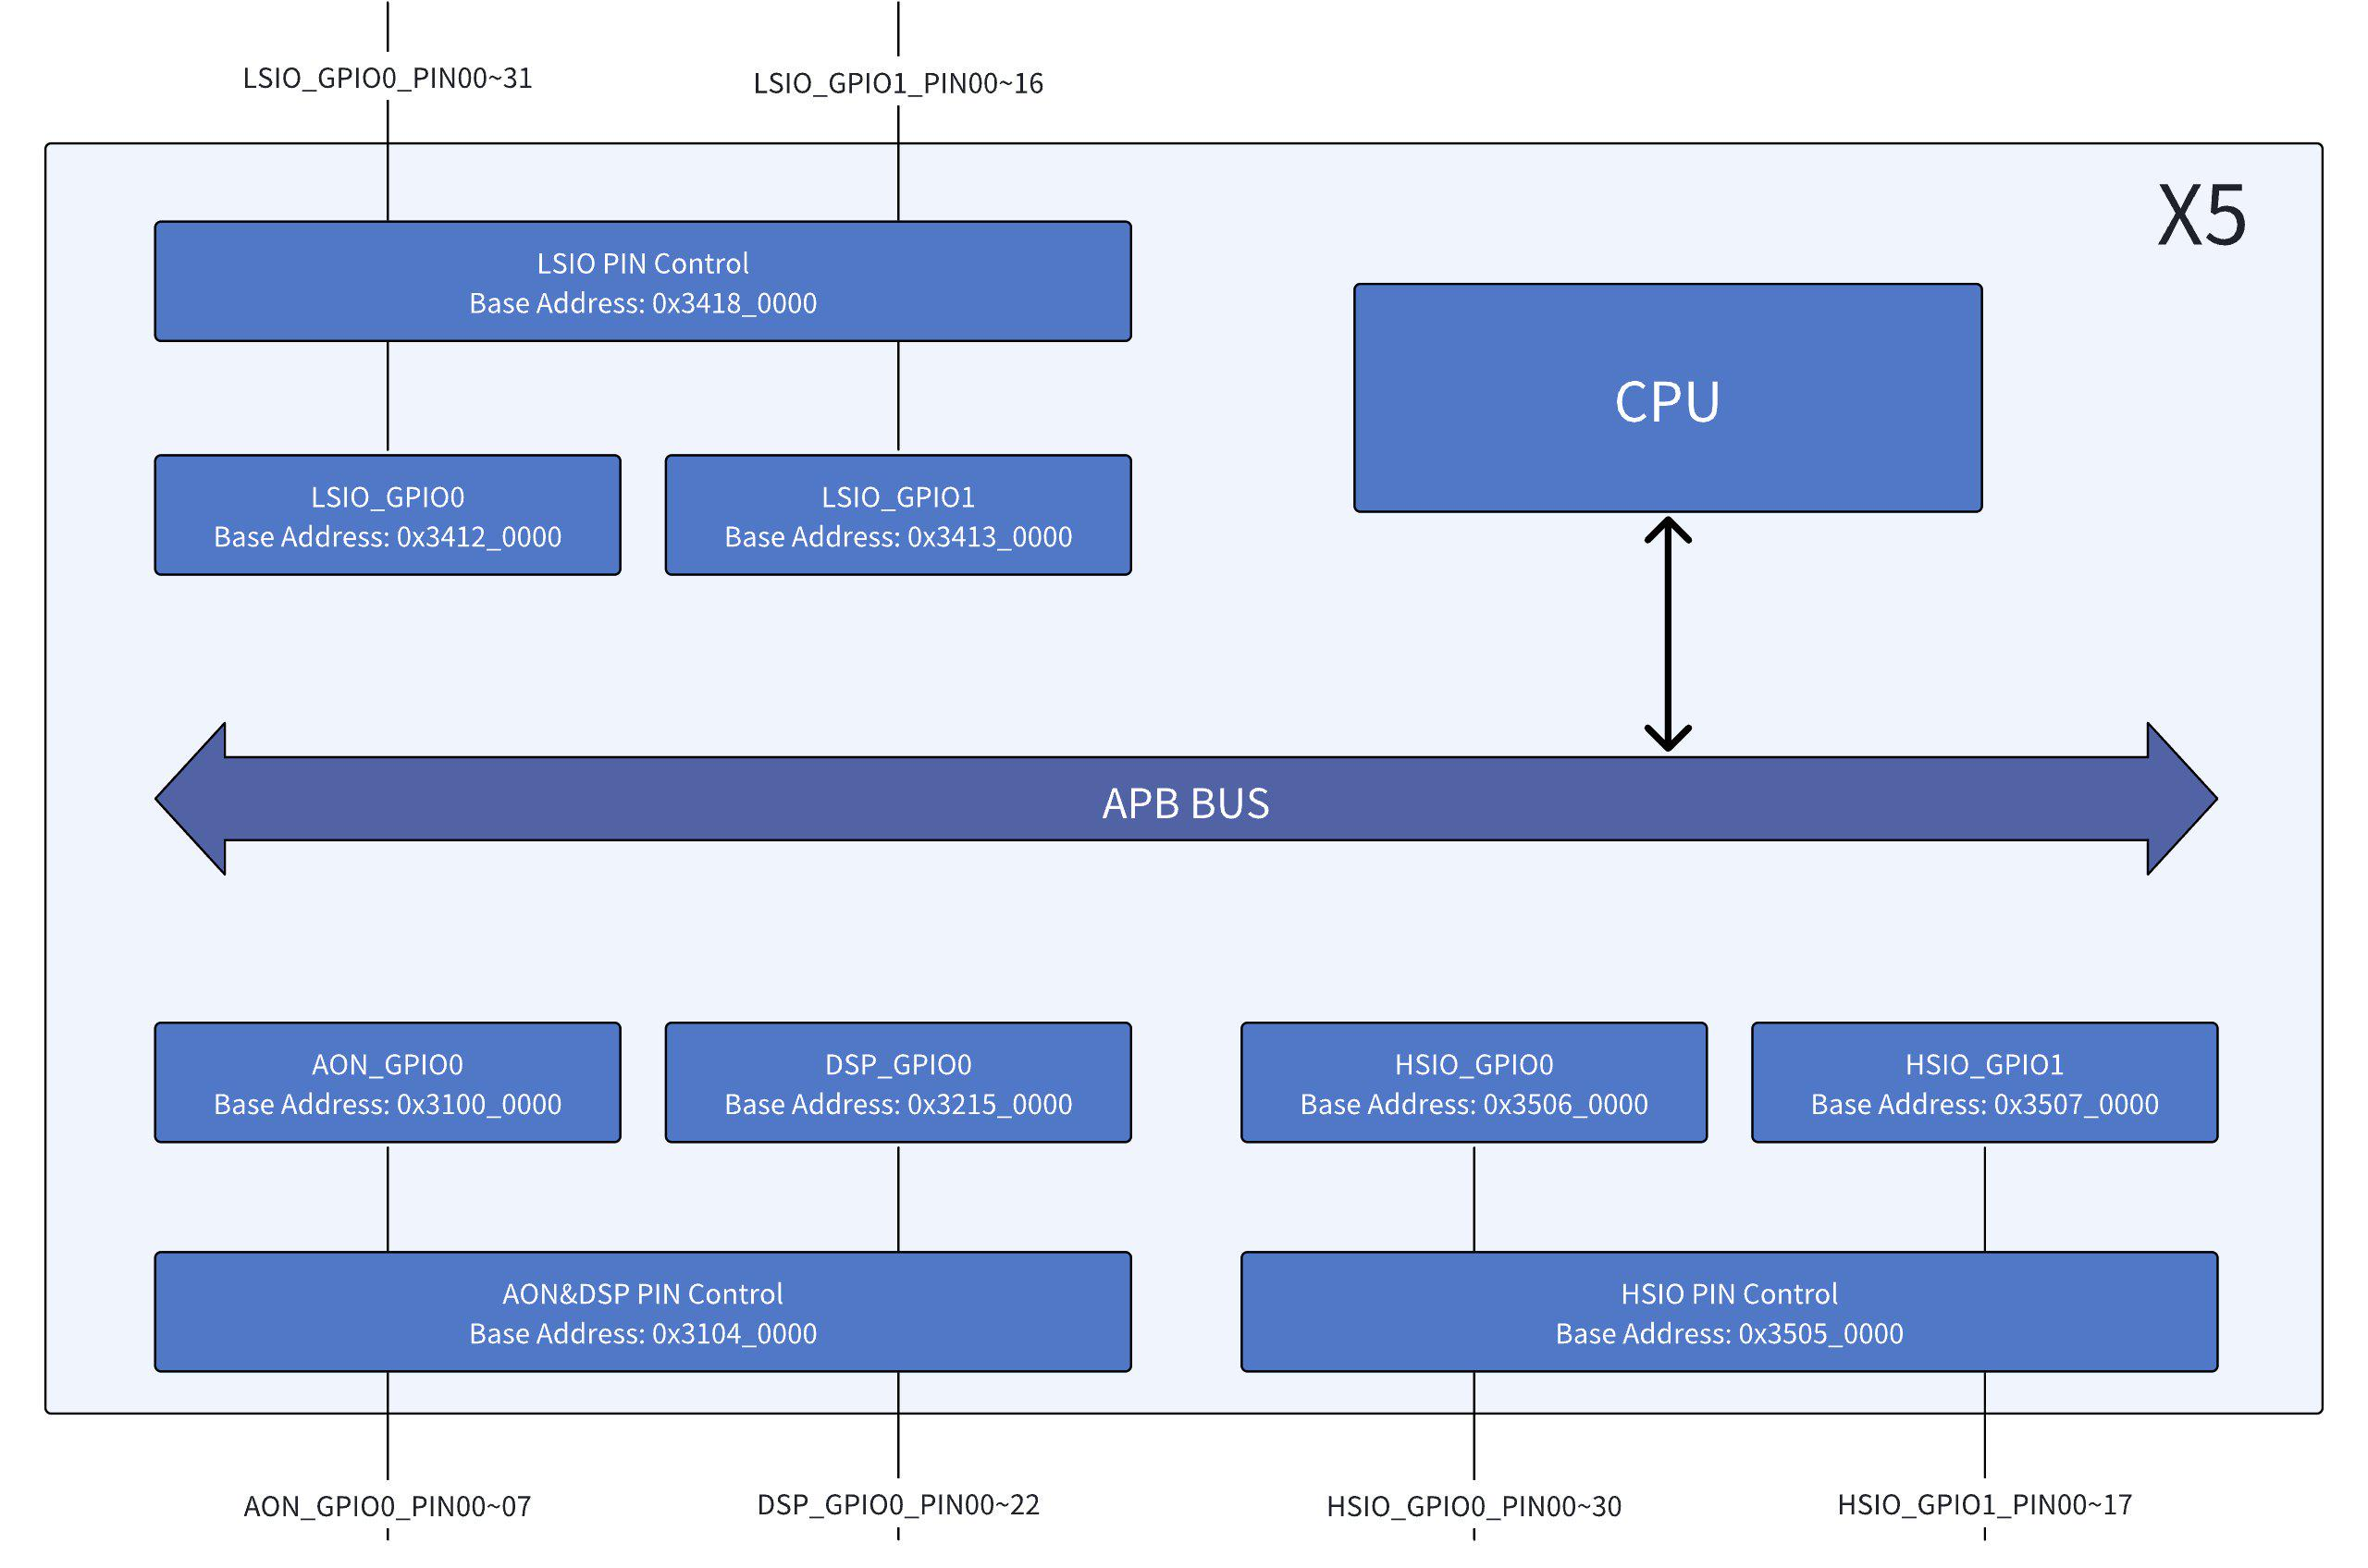 | IOL/IOH
 | IOL Low Level Output Current @VOL (max) = 0.125*VDDIO
 | DS (Drive Strength) | Typical Current | Unit
 | 0b0000 | 3.8 | mA
 | 0b0001 | 5.7 | mA
 | 0b0010 | 7.5 | mA
 | 0b0011 | 9.4 | mA
 | 0b0100 | 11.3 | mA
 | 0b0101 | 13.2 | mA
 | 0b0110 | 15.0 | mA
 | 0b0111 | 16.9 | mA
 | 0b1000 | 18.8 | mA
 | 0b1001 | 20.7 | mA
 | 0b1010 | 22.6 | mA
 | 0b1011 | 24.4 | mA
 | 0b1100 | 26.3 | mA
 | 0b1101 | 28.2 | mA
 | 0b1110 | 30.0 | mA
 | 0b1111 | 31.9 | mA

 | IOH High Level Output Current @VOH (min) = 0.75*VDDIO
 | DS (Drive Strength) | Typical Current | Unit
 | 0b0000 | 5.3 | mA
 | 0b0001 | 7.9 | mA
 | 0b0010 | 10.6 | mA
 | 0b0011 | 13.2 | mA
 | 0b0100 | 15.8 | mA
 | 0b0101 | 18.5 | mA
 | 0b0110 | 21.1 | mA
 | 0b0111 | 23.7 | mA
Please refer to the sheet "PIN Mux List" for detailed information of the 4 alternative functions available on each pins. Please refer to sheets "AON&DSP PIN Control Register", "HSIO PIN Control Register" and "LSIO PIN Control Register" to configure the PIN Control Registers to change pin function, such as SPI_MISO or GPIO, and the pin electrical characteristics, such as pull up or pull down. Please refer to sheets "DW_apb_gpio8_mem_map_v1.0" and "DW_apb_gpio32_mem_map_v1.0" to configure the GPIO function, such as input or output mode and ouput value if output mode is configured. | 0b1000 | 26.3 | mA
 | 0b1001 | 29.0 | mA
 | 0b1010 | 31.6 | mA
 | 0b1011 | 34.2 | mA
 | 0b1100 | 36.9 | mA
 | 0b1101 | 39.5 | mA
 | 0b1110 | 42.1 | mA
 | 0b1111 | 44.7 | mA
There is one gpio8 controller integrated in AON subsystem, and one gpio32 controller integrated in DSP subsystem. There is one pin controller integrated in AON subsystem which is shared by AON subsystem and DSP subsystem gpio controllers. The following is an example for DSP Subsystem GPIO application. Example configuration flow of DSP Subsystem GPIO: The steps required to configure DSP_SPI6_MISO (DSP_GPIO0_PIN21) as an input GPIO are shown below: 1. Set DSP_GPIO0_PIN21 in input mode of GPIO by setting the bit21 of GPIO_SWPORTA_DDR (0x0_3215_0004) as 0x0; 2. Enable the pull up of DSP_SPI6_MISO by setting the field dsp_spi6_miso_pe and dsp_spi6_miso_ps (bit[22:21]) of the register dsp_pin_ctl_5 (0x0_3104_0030) to 0x3; 3. Set the pin DSP_SPI6_MISO to GPIO function mode by setting the field dsp_spi6_miso_pin_sel (bit[3:2]) of the register dsp_pin_mux_1 (0x0_3104_0038) to 0x1; 4. Finally, the input level of DSP_SPI6_MISO (DSP_GPIO0_PIN21) shall be available by reading the bit21 value of GPIO_EXT_PORTA (0x0_3215_0050). #set DSP_GPIO0_PIN21 as input devmem 0x32150004 #read register 0x32150004 devmem 0x32150004 32 0xxxxxxxxx # write register 0x32150004 bit21 to 0 #set pullup devmem 0x31040030 #read register 0x31040030 devmem 0x31040030 32 0xxxxxxxxx # write register 0x31040030 bit[22:21] to 0x3 #set gpio function devmem 0x31040038 #read register 0x31040038 devmem 0x31040038 32 0xxxxxxxxx # write register 0x31040038 bit[3:2] to 0x1 #get gpio input value devmem 0x32150050 # read register 0x32150050 and check bit21 The steps required to configure DSP_SPI6_MISO (DSP_GPIO0_PIN21) as an output GPIO are shown below: 1. Set DSP_GPIO0_PIN21 to output mode of GPIO by setting the bit21 of GPIO_SWPORTA_DDR (0x0_3215_0004) to 0x1; 2. The output level of DSP_SPI6_MISO (DSP_GPIO0_PIN21) can be configured to 1 by writing the bit21 value of GPIO_SWPORTA_DR (0x0_3215_0000) to 0x1; The output level of DSP_SPI6_MISO (DSP_GPIO0_PIN21) can be configured to 0 by writing the bit21 value

There are 2 gpio32 controllers integrated in HSIO subsystem. There is one HSIO pin controller integrated in HSIO subsystem which is shared by the 2 gpio32 controllers integrated in HSIO subsystem. The following is an example for HSIO Subsystem GPIO application. Example configuration flow of HSIO Subsystem GPIO: The steps required to configure HSIO_ENET_RX_CLK (HSIO_GPIO0_PIN08) as an input GPIO are shown below: 1. Set HSIO_GPIO0_PIN08 in input mode of GPIO by setting the bit8 of GPIO_SWPORTA_DDR (0x0_3506_0004) as 0x0; 2. Enable the pull down of HSIO_ENET_RX_CLK by setting the field hsio_enet_rx_clk_pu (bit[6]) and hsio_enet_rx_clk_pd (bit[5]) of the register hsio_pin_ctrl_1 (0x0_3505_0018) to 0x1 3. Configure pin HSIO_ENET_RX_CLK to GPIO function mode by setting the field hsio_enet_rx_clk_sel (bit[15:14]) of the register hsio_pinmux_ctl_1 (0x0_3505_005c) to 0x2; 4. Finally, the input level of HSIO_ENET_RX_CLK (HSIO_GPIO_08) shall be available by reading the bit8 value of GPIO_EXT_PORTA (0x0_3506_0050) #set HSIO_GPIO0_PIN08 as input devmem 0x35060004 #read register 0x35060004 devmem 0x35060004 32 0xxxxxxxxx # write register 0x35060004 bit8 to 0 #set pull down devmem 0x35050018 #read register 0x35050018 devmem 0x35050018 32 0xxxxxxxxx # write register 0x35050018 bit[6:5] to 0x1 #set gpio function devmem 0x3505005c #read register 0x3505005c devmem 0x3505005c 32 0xxxxxxxxx # write register 0x3505005c bit[15:14] to 0x2 #get gpio input value devmem 0x35060050 # read register 0x35060050 and check bit8 The steps required to configure HSIO_ENET_RX_CLK (HSIO_GPIO0_PIN08) as an output GPIO are shown below: 1. Set HSIO_GPIO0_PIN08 in output mode of GPIO by setting the bit8 of GPIO_SWPORTA_DDR (0x0_3506_0004) as 0x1 2. The output level of HSIO_ENET_RX_CLK (HSIO_GPIO0_PIN08) can be configured to 1 by writing the bit8 value of GPIO_SWPORTA_DR (0x0_3506_0000) as 0x1; The output level of HSIO_ENET_RX_CLK (HSIO_GPIO0_PIN08) can be configured to 0 by writing the bit

There are 2 gpio32 controllers integrated in LSIO subsystem. There is one LSIO pin controller integrated in LSIO subsystem which is shared by the 2 gpio32 controllers integrated in LSIO susbsystem. The following is an example for LSIO Subsystem GPIO application. Example of the configuration flow of LSIO Subsystem GPIO: The detailed steps required to configure LSIO_I2C0_SDA (LSIO_GPIO1_PIN08) as an input GPIO are shown below: 1. Set LSIO_GPIO1_PIN08 to input mode of GPIO by setting the bit8 of GPIO_SWPORTA_DDR (0x0_3413_0004) to 0x0; 2. Enable the pull down of LSIO_I2C0_SDA by setting the field lsio_i2c0_sda_pu (bit[6]) and lsio_i2c0_sda_pd (bit[5]) of the register lsio_pin_ctrl_4 (0x0_3418_0010) to 0x1; 3. Set the pin LSIO_I2C0_SDA to GPIO function mode by setting the field lsio_i2c0_sda_pin_sel (bit[19:18]) of the register lsio_pin_mux_ctrl2 (0x0_3418_0080) to 0x1; 4. Finally, the input level of LSIO_I2C0_SDA (LSIO_GPIO1_PIN08) shall be available by reading the bit8 value of GPIO_EXT_PORTA (0x0_3413_0050) #set LSIO_GPIO1_PIN08 as input devmem 0x34130004 #read register 0x34130004 devmem 0x34130004 32 0xxxxxxxxx # write register 0x34130004 bit8 to 0 #set pull down devmem 0x34180010 #read register 0x34180010 devmem 0x34180010 32 0xxxxxxxxx # write register 0x34180010 bit[6:5] to 0x1 #set gpio function devmem 0x34180080 #read register 0x34180080 devmem 0x34180080 32 0xxxxxxxxx # write register 0x34180080 bit[19:18] to 0x1 #get gpio input value devmem 0x34130050 # read register 0x34130050 and check bit21 The detailed steps required to configure LSIO_I2C0_SDA (LSIO_GPIO1_PIN08) as an output GPIO are shown below: 1. Set LSIO_GPIO1_PIN08 to output mode of GPIO by setting the bit8 of GPIO_SWPORTA_DDR(0x0_3413_0004) to 0x1 2. The output level of LSIO_I2C0_SDA (LSIO_GPIO1_PIN08) to 1 by writing the bit8 value of GPIO_SWPORTA_DR(0x0_3413_0000) as 0x1; The output level of LSIO_I2C0_SDA (LSIO_GPIO1_PIN08) to 0 by writing the bit8 value of GPIO_SWPORTA_DR(0x0_3413_

